HSCI-9thFail
High School Completion Indicator - 9th Grade Failure Rate

Chart - Original: |  |  |  |  |  |  |  |  |  |  |  | TWO-LINE CHART:
GPA Distribution by whether students failed a core academic course
 | All Students | Failed at Least One Core Academic Course | Failed at Least One ELA Course | Failed at Least One Math Course | Failed at Least One Science Course
Missing GPA % | 0.025435292833 | 0.031119564643 | 0.029351045687 | 0.029377295101 | 0.031868238963
0.00 GPA % | 0.022378691119 | 0.076028953347 | 0.11884031954 | 0.10532072818 | 0.11285449761
0.01-0.49 GPA % | 0.018107636046 | 0.069688804354 | 0.11076205009 | 0.096101257911 | 0.10837150375
0.50-0.99 GPA % | 0.036747448283 | 0.13958894701 | 0.19154474464 | 0.1683725291 | 0.19169671572
1.00-1.49 GPA % | 0.061759729272 | 0.21382152481 | 0.21551027735 | 0.21196968513 | 0.22863268687
1.50-1.99 GPA % | 0.091370558376 | 0.23046441591 | 0.1708105197 | 0.19399953121 | 0.17542149888
2.00-2.49 GPA % | 0.13043774903 | 0.15839805569 | 0.10043981689 | 0.12211891554 | 0.09726147549
2.50-2.99 GPA % | 0.16236832051 | 0.056902837217 | 0.036531729647 | 0.048050628955 | 0.032452977293
3.00-3.49 GPA % | 0.18688936193 | 0.016378718233 | 0.016695090207 | 0.01664192515 | 0.013059156028
3.50-3.99 GPA % | 0.21662300093 | 0.0063929835684 | 0.0070909254106 | 0.0064067505274 | 0.006237208849
4.00-4.49 GPA % | 0.04788221167 | 0.0016907063983 | 0.0025132393861 | 0.0020314087038 | 0.0021440405419
GPA Distribution for students who failed a core academic course, compared to all students
 | All Students | Failed at Least One Core Academic Course
Missing GPA % | 0.025435292833 | 0.031119564643
0.00 GPA % | 0.022378691119 | 0.076028953347
0.01-0.49 GPA % | 0.018107636046 | 0.069688804354
0.50-0.99 GPA % | 0.036747448283 | 0.13958894701
1.00-1.49 GPA % | 0.061759729272 | 0.21382152481
1.50-1.99 GPA % | 0.091370558376 | 0.23046441591
2.00-2.49 GPA % | 0.13043774903 | 0.15839805569
2.50-2.99 GPA % | 0.16236832051 | 0.056902837217
3.00-3.49 GPA % | 0.18688936193 | 0.016378718233
3.50-3.99 GPA % | 0.21662300093 | 0.0063929835684
4.00-4.49 GPA % | 0.04788221167 | 0.0016907063983

DATA:
School Year | Subject | Type | Total Grade 9 Students | Failed at least One Core Academic Course | Failed at least One Core Academic Course% | Missing GPA | 0.00 GPA | 0.01-0.49 GPA | 0.50-0.99 GPA | 1.00-1.49 GPA | 1.50-1.99 GPA | 2.00-2.49 GPA | 2.50-2.99 GPA | 3.00-3.49 GPA | 3.50-3.99 GPA | 4.00-4.49 GPA | 4.50-4.99 GPA | 5.00-5.49 GPA | Missing GPA % | 0.00 GPA % | 0.01-0.49 GPA % | 0.50-0.99 GPA % | 1.00-1.49 GPA % | 1.50-1.99 GPA % | 2.00-2.49 GPA % | 2.50-2.99 GPA % | 3.00-3.49 GPA % | 3.50-3.99 GPA % | 4.00-4.49 GPA % | 4.50-4.99 GPA % | 5.00-5.49 GPA %
2014 | ALL | All Students | 73,284 | - | - | 1,864 | 1,640 | 1,327 | 2,693 | 4,526 | 6,696 | 9,559 | 11,899 | 13,696 | 15,875 | 3,509 | - | - | 2.54 | 2.24 | 1.81 | 3.67 | 6.18 | 9.14 | 13.04 | 16.24 | 18.69 | 21.66 | 4.79 | 0.00 | 0.00
2014 | ALL | Failed at Least One Core Academic Course | 73,284 | 18,927 | 25.8 | 589 | 1,439 | 1,319 | 2,642 | 4,047 | 4,362 | 2,998 | 1,077 | 310 | 121 | 32 | - | - | 0.65 | 1.59 | 1.46 | 2.92 | 4.47 | 4.82 | 3.31 | 1.19 | 0.34 | 0.13 | 0.04 | 0.00 | 0.00
2014 | 01 - ELA | Failed at Least One ELA Course | 71,528 | 11,141 | 15.6 | 327 | 1,324 | 1,234 | 2,134 | 2,401 | 1,903 | 1,119 | 407 | 186 | 79 | 28 | - | - | 0.42 | 1.69 | 1.58 | 2.73 | 3.07 | 2.44 | 1.43 | 0.52 | 0.24 | 0.10 | 0.04 | 0.00 | 0.00
2014 | 02 - Math | Failed at Least One Math Course | 72,179 | 12,799 | 17.7 | 376 | 1,348 | 1,230 | 2,155 | 2,713 | 2,483 | 1,563 | 615 | 213 | 82 | 26 | - | - | 0.47 | 1.69 | 1.54 | 2.70 | 3.40 | 3.12 | 1.96 | 0.77 | 0.27 | 0.10 | 0.03 | 0.00 | 0.00
2014 | 03 - Science | Failed at Least One Science Course | 67,253 | 10,261 | 15.3 | 327 | 1,158 | 1,112 | 1,967 | 2,346 | 1,800 | 998 | 333 | 134 | 64 | 22 | - | - | 0.45 | 1.60 | 1.54 | 2.72 | 3.24 | 2.49 | 1.38 | 0.46 | 0.19 | 0.09 | 0.03 | 0.00 | 0.00

SOURCE: OSPI. Superintendent of Public Instruction. Office of Student Information.
 |  | * Total students who took ELA, Math, and/or Science courses within the selected school year and who are first time 9th graders

Data Notes:
Demographic
Grade 9 students at last known location according to the following rules:
Within a district
Select Last enrolled School
Most recent enrollment date if no exit date.
If most recent enrollment date has an exit date and there is another enrollment still open with a later enrollment date, use it.
If more than 1 with same enrollment use Primary, select highest enrollment grade level, select smallest district code (i.e., select 01109 and not 34003), select smallest school code, then random.
Student Grade History
Courses taken within selected SY determined by term end date
Exclude transfer
Include only State Course Code Subjects 01 - ELA, 02 - Math, 03 - Science
Report all courses/records (do not distinct/rank)

Students must have both an enrollment record and grade history record (join by SY, District, SSID)

Include only first time 9th graders based on P210 report rules (join by SY, Distirct, SSID)

Course Failure is determined by Credits Earned being less than Credits Attempted at any point during SY

At the state level report the number and percent of students by GPA ranges
At the state level report the number and percent of students who failed at least one core academic course by GPA ranges
At the state level report the number and percent of students who failed at least one core academic course by Subject and GPA ranges

Note: Total students who took ELA, Math, and/or Science courses within the selected school year and who are first time 9th graders

HSCM-Race&Ethnic&Gender
High School Completion Metrics - Race/Ethnicity/Gender
Note: Totals do not add to 100% because some students take longer than four years to complete high school.
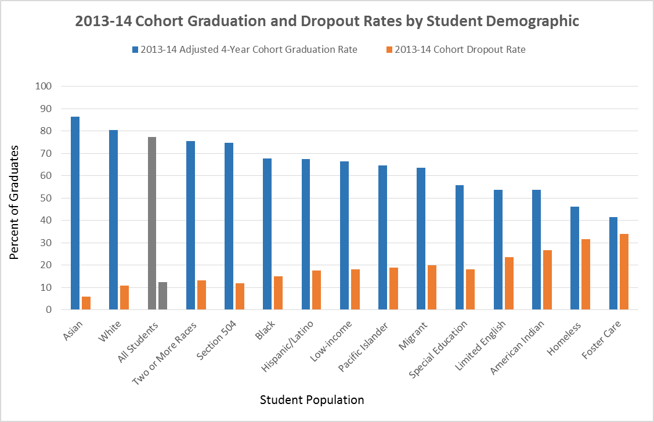
DATA
Student Category | 2011-12 Adjusted 4-Year Cohort Graduation Rate | 2012-13 Adjusted 4-Year Cohort Graduation Rate | 2013-14 Adjusted 4-Year Cohort Graduation Rate | 2013-14 Cohort Dropout Rate | Percentile Point Change (2012-13)
Asian | 84.4 | 84.1 | 86.5 | 6 | 2.1
White | 80.4 | 79.4 | 80.5 | 10.8 | 0.1
All Students | 77.2 | 76 | 77.2 | 12.3 | 0
Two or More Races | 78.1 | 76.2 | 75.5 | 13.3 | -2.6
Section 504 | 78.1 | 75.1 | 74.8 | 11.9 | -3.3
Black | 67.1 | 65.4 | 67.8 | 15.1 | 0.7
Hispanic/Latino | 66.7 | 65.6 | 67.3 | 17.7 | 0.6
Low-income | 66.2 | 64.6 | 66.4 | 18.2 | 0.2
Pacific Islander | 64.5 | 62.3 | 64.6 | 19 | 0.1
Migrant | 62.5 | 62.3 | 63.6 | 19.9 | 1.1
Special Education | 57.6 | 54.4 | 55.7 | 18.2 | -1.9
Limited English | 53.9 | 50.4 | 53.7 | 23.5 | -0.2
American Indian | 56.8 | 52.5 | 53.7 | 26.6 | -3.1
Homeless |  | 45.1 | 46.1 | 31.5 | 46.1
Foster Care | 41.6 | 36.6 | 41.5 | 34 | -0.1

SOURCE: OSPI. Retrieved from http://www.k12.wa.us/DataAdmin/default.aspx

